HDFCAALFOF

HDFC Asset Allocator Fund of Funds (AN OPEN-ENDED FUND OF FUNDS SCHEME) |  |  |  |  |  |  |  |  |  | Income | Hybrid
Portfolio as on 31-Aug-2023

 | ISIN | Coupon (%) | Name Of the Instrument | Industry+ /Rating | Quantity | Market/ Fair Value (Rs. in Lacs.) | % to NAV | Yield | ~YTC (AT1/Tier 2 bonds)
 | MONEY MARKET INSTRUMENTS
 | TREPS - Tri-party Repo
 |  |  | TREPS - Tri-party Repo |  |  | 6,892.81 | 2.58 | 6.6189
 | Sub Total |  |  |  |  | 6,892.81 | 2.58
 | Total |  |  |  |  | 6,892.81 | 2.58
 | OTHERS
 | Mutual Fund Units
| | INF179K01UT0 |  | HDFC Flexi Cap Fund - Direct Plan- Growth Option |  | 3,296,961 | 46,649.49 | 17.47
| | INF179K01YV8 |  | HDFC Top 100 Fund - Direct Plan - Growth Option |  | 4,959,381 | 44,623.52 | 16.71
| | INF179KC1981 |  | HDFC Gold Exchange Traded Fund |  | 65,824,985 | 34,222.41 | 12.81
| | INF179K01YM7 |  | HDFC Short Term Debt Fund - Growth Option - Direct Plan |  | 119,739,907 | 34,039.30 | 12.74
| | INF179K01VF7 |  | HDFC Low Duration Fund - Direct Plan - Growth Option |  | 58,043,839 | 31,539.16 | 11.81
| | INF179KA1RW5 |  | HDFC Small Cap Fund - Direct Plan- Growth Option |  | 12,692,859 | 14,775.50 | 5.53
| | INF179K01XQ0 |  | HDFC Mid Cap Opportunities Fund - Direct Plan - Growth Option |  | 9,699,334 | 13,620.58 | 5.10
| | INF179KA1RQ7 |  | HDFC Large and Mid Cap Fund - Direct Plan- Growth Option |  | 4,003,703 | 9,925.06 | 3.72
| | INF179K01VQ4 |  | HDFC Floating Rate Debt Fund - Direct Plan - Growth Option |  | 21,459,019 | 9,424.78 | 3.53
| | INF179KC1AO6 |  | HDFC Dividend Yield Fund - Direct Plan - Growth Option |  | 39,680,365 | 7,420.23 | 2.78
 | INF179K01VS0 |  | HDFC Gilt Fund - Growth Option - Direct Plan |  | 10,106,481 | 5,050.53 | 1.89
 | INF179K01WI9 |  | HDFC Medium Term Debt Fund - Growth Option - Direct Plan |  | 9,638,214 | 5,054.35 | 1.89
 | INF179K01VC4 |  | HDFC Capital Builder Value Fund - Direct Plan - Growth Option |  | 754,948 | 4,170.50 | 1.56
 | Net Current Assets
 |  |  | Net Current Assets |  |  | -324.23 | -0.12
 | Sub Total |  |  |  |  | 260,191.18 | 97.42
 | Total |  |  |  |  | 260,191.18 | 97.42

 | Grand Total |  |  |  |  | 267,083.99 | 100.00
| | Top Ten Holdings
 | + Industry Classification as recommended by AMFI
 | £ - Sponsor Company
 | ** Thinly Traded/ Non-Traded Securities (Equity) as on August 31, 2023
 | ^ Non-Traded Securities (Debt) as on August 31, 2023
 | # Non Sensex Scrips
 | @ Less than 0.01%.
 | ~ YTC i.e. Yield to Call is disclosed at security level only for Additional Tier 1 Bonds and Tier 2 Bonds issued by Banks as per AMFI Best Practices Notification 135/BP/91/2020-21 read with SEBI circular SEBI/HO/IMD/DF4/CIR/P/2021/034

 | Portfolio Classification by Asset Class(%)
 | Mutual Fund Units |  | 97.54
 | Cash, Cash Equivalents and Net Current Assets |  | 2.46
 | Portfolio Classification by Rating Class(%)
 | Cash, Cash Equivalents and Net Current Assets |  | 100.00

 | Notes :
 | 1) NAV History
 | NAVs per unit (Rs.) | August 31, 2023 | July 31, 2023
 | IDCW Option | 13.61 | 13.58
 | IDCW Option - Direct Plan | 14.02 | 13.97
 | Growth Option | 13.61 | 13.58
 | Growth Option - Direct Plan | 14.02 | 13.97

 | Dividend History - Dividend declared during the month ended August 31, 2023 : Nil

 | Bonus History - Bonus declared during the month ended August 31, 2023: Nil

 | 2) Total below investment grade or default provided for and its percentage to NAV : Nil
 | 3) Total investments in Foreign Securities / Overseas ETFs / ADRs / GDRs : Nil
 | 4) Repo in Corporate Debt : Nil
 | 5) Total outstanding exposure in Derivative Instruments as on Aug 31, 2023 : Nil
 | 6) IDCW stands for Income Distribution cum Capital Withdrawal
 | 7) Riskometer based on Scheme Portfolio and Portfolio Benchmark "90% NIFTY 50 Hybrid Composite Debt 65:35 Index (Total Returns Index) and 10% Domestic Prices of Gold arrived at based on London Bullion Market Association's (LBMA) AM fixing price" as on Aug 31, 2023

 | Scheme Riskometer:
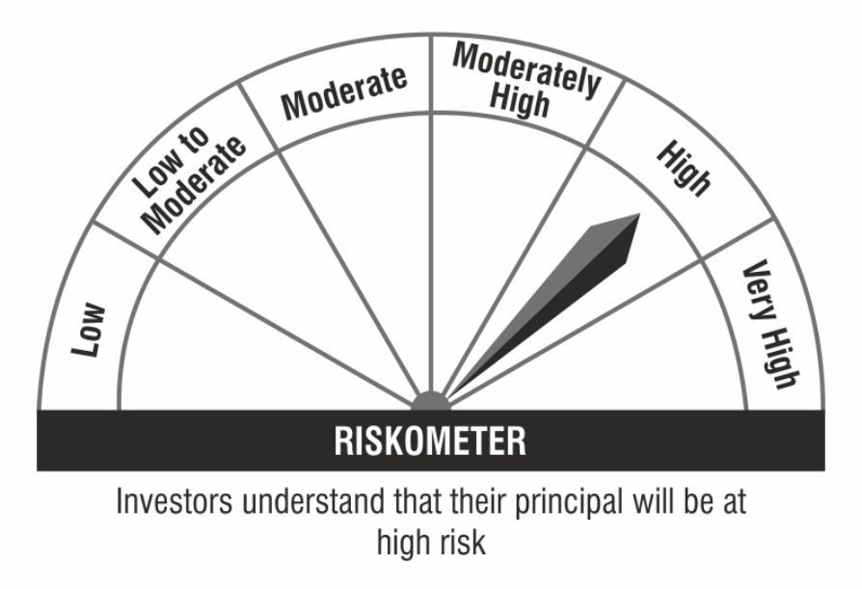

 | Benchmark Riskometer:

